Detailed Recipes
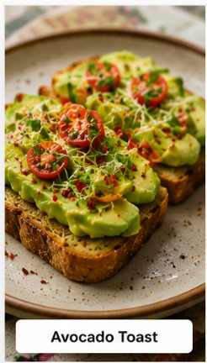
Dish Name | Cuisine | Meal Type | Ingredients | Detailed Recipe Steps | Reference Image
Avocado Toast | American | Breakfast | 2 slices sourdough bread, 1 ripe avocado, 6 cherry tomatoes, salt, pepper, lemon juice | 1. Toast the bread slices until golden and crisp. 2. Cut the avocado in half, remove the pit, and scoop the flesh into a bowl. 3. Add a teaspoon of lemon juice, a pinch of salt, and black pepper. 4. Mash until creamy but slightly chunky. 5. Spread the avocado mixture evenly over the toast. 6. Slice the cherry tomatoes and arrange on top. 7. Add extra pepper and serve immediately.
Masala Dosa | Indian | Breakfast | Dosa batter, 3 potatoes, 1 onion, mustard seeds, curry leaves, turmeric | 1. Boil and mash the potatoes. 2. Heat oil and add mustard seeds until they crackle. 3. Add curry leaves and sliced onions; sauté until soft. 4. Add turmeric and mashed potatoes; mix well. 5. Heat a dosa griddle and spread batter into a thin circle. 6. Cook until crisp and golden. 7. Place potato filling in the center. 8. Fold the dosa and serve with chutney and sambar.
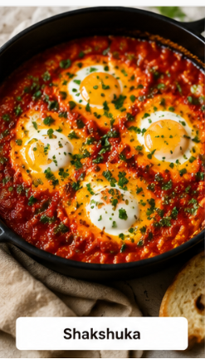
Shakshuka | Middle Eastern | Breakfast | 4 eggs, 4 tomatoes, 1 onion, 2 garlic cloves, paprika, olive oil | 1. Heat olive oil in a skillet. 2. Sauté chopped onion until translucent. 3. Add minced garlic and cook for 1 minute. 4. Add chopped tomatoes and paprika. 5. Simmer for 10–15 minutes until thick. 6. Make four small wells in the sauce. 7. Crack an egg into each well. 8. Cover and cook until the egg whites are set. 9. Serve with crusty bread.
Chicken Tikka Bowl | Indian | Lunch | Chicken tikka, rice, cucumber, onion, yogurt, coriander | 1. Marinate chicken in yogurt and spices. 2. Grill or bake until fully cooked. 3. Cook rice according to package instructions. 4. Slice cucumber and onion. 5. Arrange rice in a serving bowl. 6. Add grilled chicken on top. 7. Add vegetables around the bowl. 8. Garnish with coriander and serve.
Veggie Buddha Bowl | International | Lunch | Quinoa, chickpeas, avocado, carrots, broccoli, dressing | 1. Cook quinoa and allow it to cool slightly. 2. Roast broccoli and carrots until tender. 3. Drain and season chickpeas. 4. Slice avocado. 5. Place quinoa in the bowl as the base. 6. Arrange vegetables and chickpeas in sections. 7. Add avocado slices. 8. Drizzle dressing before serving.
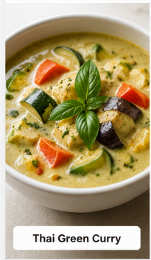
Thai Green Curry | Thai | Lunch | Green curry paste, coconut milk, vegetables, tofu or chicken | 1. Heat a pan and fry green curry paste for 1 minute. 2. Add coconut milk and stir until smooth. 3. Add sliced vegetables. 4. Add tofu or chicken. 5. Simmer for 15–20 minutes. 6. Adjust seasoning if needed. 7. Serve hot with steamed rice.
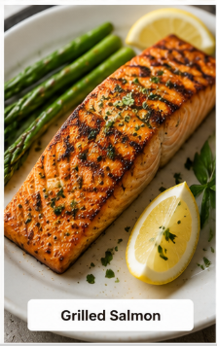
Grilled Salmon | Nordic | Dinner | Salmon fillet, lemon, olive oil, herbs, vegetables | 1. Pat the salmon dry. 2. Rub with olive oil, herbs, salt, and pepper. 3. Preheat grill to medium-high heat. 4. Grill salmon skin-side down for 4–5 minutes. 5. Flip carefully and cook until flaky. 6. Roast or steam vegetables. 7. Serve salmon with vegetables and lemon wedges.
Paneer Butter Masala | Indian | Dinner | Paneer, tomatoes, butter, cream, onion, spices | 1. Sauté onions and tomatoes until soft. 2. Blend into a smooth puree. 3. Heat butter in a pan. 4. Add spices and cook briefly. 5. Pour in the puree and simmer. 6. Add cream and mix well. 7. Add paneer cubes. 8. Simmer for 5–7 minutes. 9. Serve with naan or rice.
Vegetable Stir Fry | Chinese | Dinner | Broccoli, bell peppers, carrots, soy sauce, garlic, oil | 1. Heat oil in a wok. 2. Add minced garlic and stir-fry briefly. 3. Add carrots and cook for 2 minutes. 4. Add broccoli and bell peppers. 5. Stir-fry over high heat. 6. Add soy sauce. 7. Toss until vegetables are tender-crisp. 8. Serve immediately.
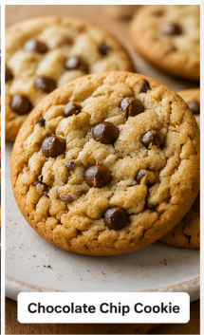
Chocolate Chip Cookies | American | Dessert | Flour, butter, sugar, egg, vanilla, chocolate chips | 1. Preheat oven to 180°C (350°F). 2. Cream butter and sugar until fluffy. 3. Add egg and vanilla extract. 4. Mix in flour until combined. 5. Fold in chocolate chips. 6. Scoop dough onto a baking tray. 7. Bake for 10–12 minutes. 8. Cool on a rack before serving.

